Bug Report
QA |  |  |  |  |  |  |  |  | Developer
No. | Description | ID | Steps to replicate bug | Screenshots | Severity | Priority | Reported by | Assigned to | Resolution | Status | Fixed date
1 | Dashboard is displayed after login is successful instead of Myinfo page | Myinfo 001 | 1)Launch browser | 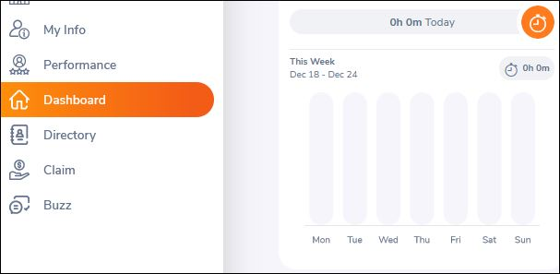 | S3 | P3 | Mehwish | abc | Accepted | Inprogress
 |  |  | 2) Open URL
 |  |  | "https://opensource-
 |  |  | demo orangehrmlive com'
 |  |  | 3) Provide valid ESS user name
 |  |  | 4) Provide valid password
 |  |  | 5) Click on Login button
2 | The invalid file format error message for invalid photographs is appearing after the upload is complete | Myinfo 008 | 1) Login to OrangeHRM as ESS user | 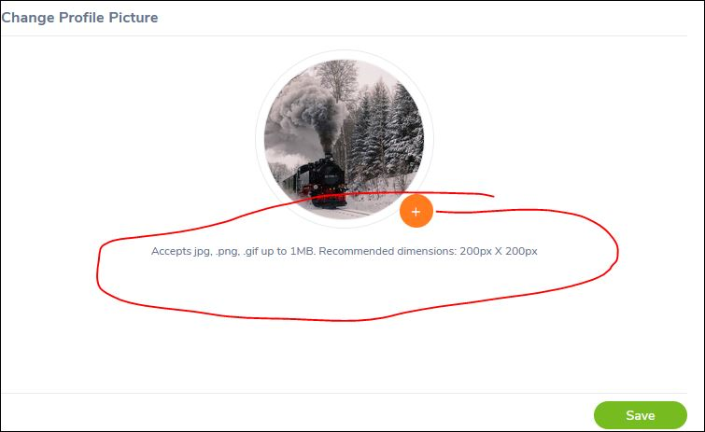 | S4 | P4 | Mehwish | abc | Accepted | Open
 |  |  | 2) Click on Myinfo tab
 |  |  | 3) Click on the photograph at
 |  |  | corner of the screen
 |  |  | 4) Click "Browse" and then select
 |  |  | a photograph from the relevant
 |  |  | path.
 |  |  | 5) Click "Upload" once you have
 |  |  | selected the picture

